Script
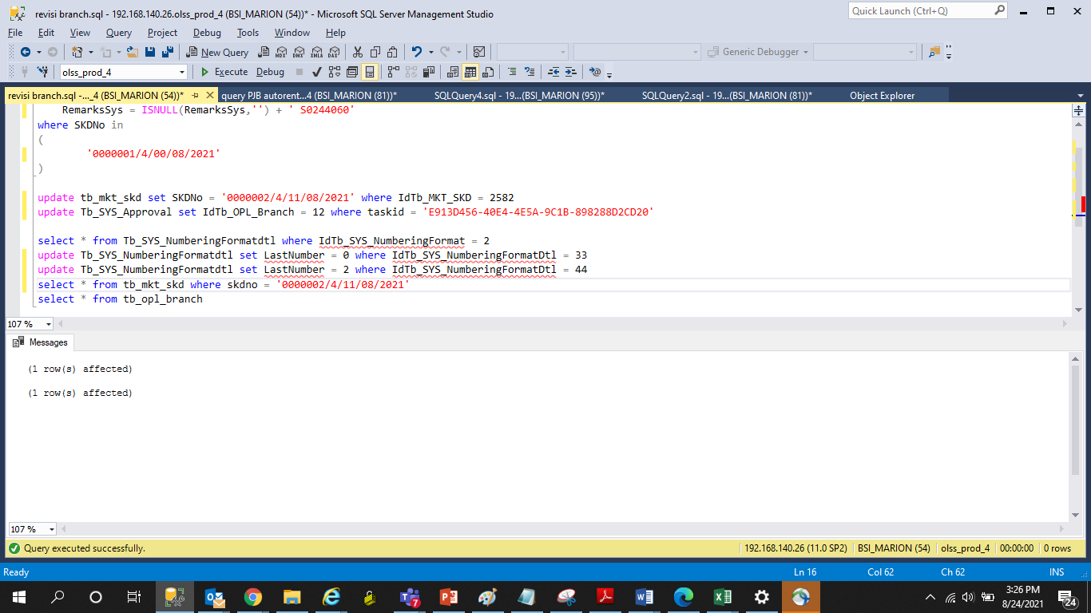
update Tb_MKT_SKD
set
 | IdTb_OPL_Branch = 12,
 | RemarksSys = ISNULL(RemarksSys,'') + ' S0244060'
where SKDNo in
(
 |  | '0000001/4/00/08/2021'
)

update tb_mkt_skd set SKDNo = '0000002/4/11/08/2021' where IdTb_MKT_SKD = 2582
update Tb_SYS_Approval set IdTb_OPL_Branch = 12 where taskid = 'E913D456-40E4-4E5A-9C1B-898288D2CD20'

select * from Tb_SYS_NumberingFormatdtl where IdTb_SYS_NumberingFormat = 2 AND IdTb_SYS_NumberingFormatDtl IN (33,44)
update Tb_SYS_NumberingFormatdtl set LastNumber = 0 where IdTb_SYS_NumberingFormatDtl = 33
update Tb_SYS_NumberingFormatdtl set LastNumber = 2 where IdTb_SYS_NumberingFormatDtl = 44

Screenshot
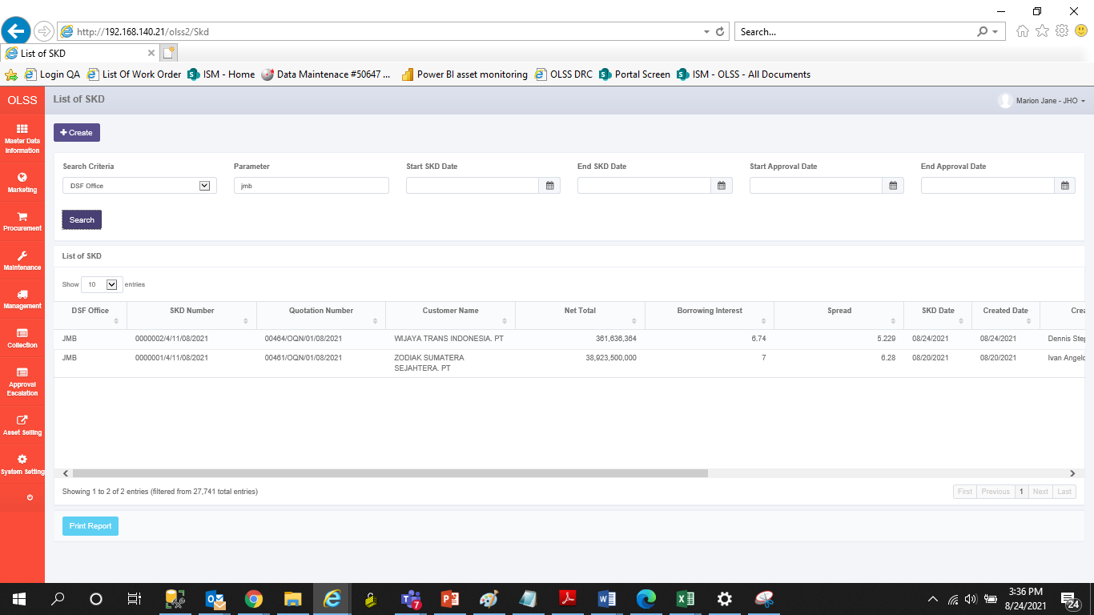
BEFORE
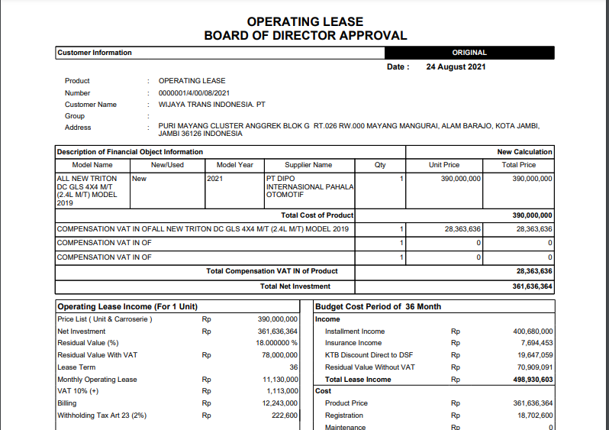

AFTER

